Executive Summary
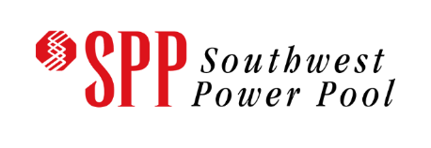
Executive Summary: SPP Affected Systems Impact Study of MPC03800-MPC04000
Pursuant to the Southwest Power Pool (SPP) and Minnkota Power Cooperative (MPC) Joint Operating Agreement (JOA), SPP has conducted this Affected Systems Impact Study (ASIS) for generation interconnection requests studied in the MPC Generator Interconnection Queue. The primary objective of this ASIS is to identify constraints and over-dutied equipment on SPP facilities associated with the new MPC interconnection requests. The study analysis for the generation interconnection requests included in this ASIS are displayed in this workbook. This workbook provides a convenient method to sort and analyze required study data. The Generator Interconnection Manual Version 1.6 posted on https://opsportal.spp.org/documents/studies/DISIS%20Manual.pdf contains details about the ASIS process, methodology, definitions, and useful links. Please review the Generator Interconnection Manual or contact GI-AFS@SPP.org for more information about the study process. SPP ASIS of MPC038000 - MPC04000 includes study requests in the following cluster groups: 01 - North

Generator Interconnection Manual Version 1.6
https://opsportal.spp.org/documents/studies/DISIS%20Manual.pdf

This ASIS analyzes the impact of interconnecting new generation for total of:
701.2 MW

The total costs of Network Upgrades identified in this ASIS are estimated at:
$8,406,249.00

Models Used in Study
2021 ITP Series
Summer: 2023, 2026
Winter: 2026
Light: 2026

Assumptions Used in Study
Queued after DISIS-2017-002 and all higher-queued MPC requests Incorporates DISIS-2017-002 Phase 2 and all higher queued identified network upgrades Incorporates DISIS-2017-002 Decision Point 2 withdrawals and associated impacts to identified network upgrades Incorporates model reduction Incorporates group reduction Incoporates fuel-based dispatch

By: SPP Generator Interconnection Department
Published: December 6, 2022

